Sheet1
 |  |  |  |  |  |  | 50.37
sku | Product Name | Stock quantity | Weight KG | Length CM | Width CM | High CM | Cube(sum)
GY197000 | Solid cosmetic storage box * 4 pieces (silicone pad 16 pieces) | 130 | 2.409 | 34 | 22 | 27 | 2.62548
AMSG24101 | S9C Indigo Dry Wet Separation 32cm Mop + Bucket + 6 Cloths | 191 | 2.2 | 19 | 15 | 34 | 1.85079
AMJT15800 | AP-05 aluminum alloy air pump | 282 | 1.001 | 24 | 18 | 13 | 1.583712
JD3860402 | Fully automatic magnetic suspension intelligent hot and cold double milk frother with handle AQ-03A (all-in-one) white UK standard | 112 | 0.825 | 17 | 19 | 24 | 0.868224
AMJD28401 | CLE-02 Cleaning Brush-Black | 80 | 1.265 | 48 | 20 | 11 | 0.8448
AMJD29200 | Flat mop accessories - mop two pack | 400 | 0.052 | 18 | 10 | 10 | 0.72
AMSG16500 | Computer desk with pull-out storage | 10 | 16.83 | 111 | 54.5 | 9 | 0.544455
AMJK41600 | 8211 Black - Fascia Gun 6-speed adjustment 4 massage heads 1500mAh | 79 | 0.605 | 25 | 24 | 11 | 0.5214
AMXJ11400 | 10 inch Bluetooth bracket foldable overhead shooting light | 132 | 0.924 | 18 | 13 | 14 | 0.432432
JK2014101 | Blood pressure monitor household arm blood pressure monitor with voice without backlight without USB cable | 103 | 0.272 | 20 | 15 | 13 | 0.4017
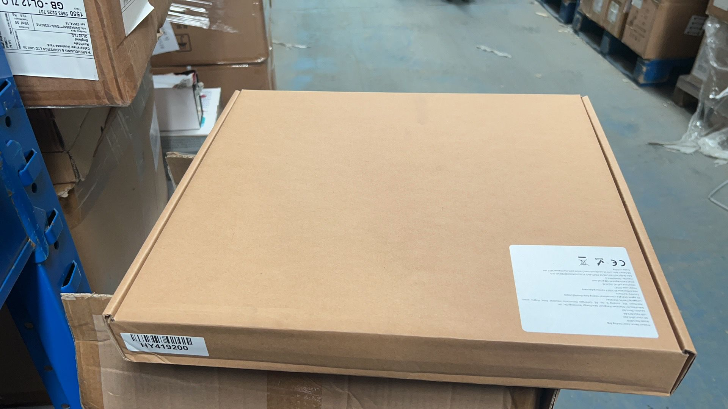
GW130101 | 3D printed dragon egg bubble dragon egg + small dinosaur (laser gold) | 98 | 0.171 | 18 | 16 | 14 | 0.395136
JT1631800 | CZK-5628 round button car air pump (2000 mAh) + mobile power (2000 mAh) + flashlight (three lighting effects) [two batteries work independently] [only available on Amazon European site, the US site has been underwritten] | 143 | 0.616 | 18 | 12 | 12 | 0.370656
SG1462601 | Hydrogen-rich water cup space silver | 55 | 0.691 | 31 | 14 | 14 | 0.33418
JD3860302 | Fully automatic magnetic suspension intelligent hot and cold double milk frother AQ-04A (all-in-one) white British standard | 41 | 0.825 | 23 | 17 | 20 | 0.32062
AMJK42300 | Rechargeable digital display light microdermabrasion machine black standard + 10-piece accessories | 70 | 0.407 | 23 | 18 | 10 | 0.2898
GW130104 | 3D printed dragon egg bubble dragon egg + small dinosaur (laser rainbow) | 64 | 0.171 | 18 | 16 | 14 | 0.258048
AMJT14909 | 12v8A24v4A battery charger--UK standard | 55 | 0.66 | 26 | 16 | 11 | 0.25168
AMXF37105 | Wireless Office Mouse Purple | 200 | 0.08 | 14 | 11 | 8 | 0.2464
AMXF37106 | Wireless Office Mouse Avocado Green | 200 | 0.065 | 14 | 11 | 8 | 0.2464
GW130102 | 3D printed dragon egg bubble dragon egg + small dinosaur (laser red) | 65 | 0.171 | 18 | 13 | 14 | 0.21294
AMJD26602 | Black Rotatable Double Head LED Smart Clamp Light-065 UK Regulations | 15 | 1.76 | 46 | 26 | 10 | 0.1794
JD3869600 | White A9 Juicer Cup - Transparent Body (with five-country instruction manual, ice tray, cup brush) | 28 | 0.921 | 35 | 13 | 14 | 0.17836
AMJK42200 | Seven color light neck beauty instrument with base KKS-252 | 51 | 0.166 | 17 | 14 | 13 | 0.157794
GW130106 | 3D printed dragon egg bubble dragon egg + small dinosaur (laser yellow-green) | 42 | 0.171 | 17 | 14 | 15 | 0.14994
JD3861705 | Reading Neck Lamp-ST-8038 | 61 | 0.156 | 18 | 14 | 8 | 0.122976
AMHY11602 | 9996 Black UK Standard - 6-inch Lithium Electric Saw 6000mAH Dual Electric Tool Box | 33 | 1.98 | 18 | 13 | 14 | 0.108108
AMGD10805 | Hydrogen-rich water cup gray with ion membrane | 27 | 0.77 | 18 | 13 | 14 | 0.088452
AMJD13600 | 6-blade fireplace fan butterfly style (single head 1 pack) | 16 | 0.788 | 25 | 18 | 12 | 0.0864
AMWY12602 | Solid wood chess set 29*29cm | 30 | 0.528 | 33 | 16 | 5 | 0.0792
AMHY11401 | Black UK Standard-8888 Lawn Mower 6000mAh Dual Battery | 23 | 2.42 | 18 | 13 | 14 | 0.075348
AMXJ11200 | 12-inch folding ring light-1.6m bracket | 5 | 1.353 | 47 | 26 | 12 | 0.07332
GW130302 | 3D printed dragon egg fish scale dragon egg + crystal dragon (laser red + gold) | 22 | 0.183 | 18 | 13 | 14 | 0.072072
AMJT14909 | 12v8A24v4A battery charger--UK standard | 30 | 0.66 | 25 | 13 | 7 | 0.06825
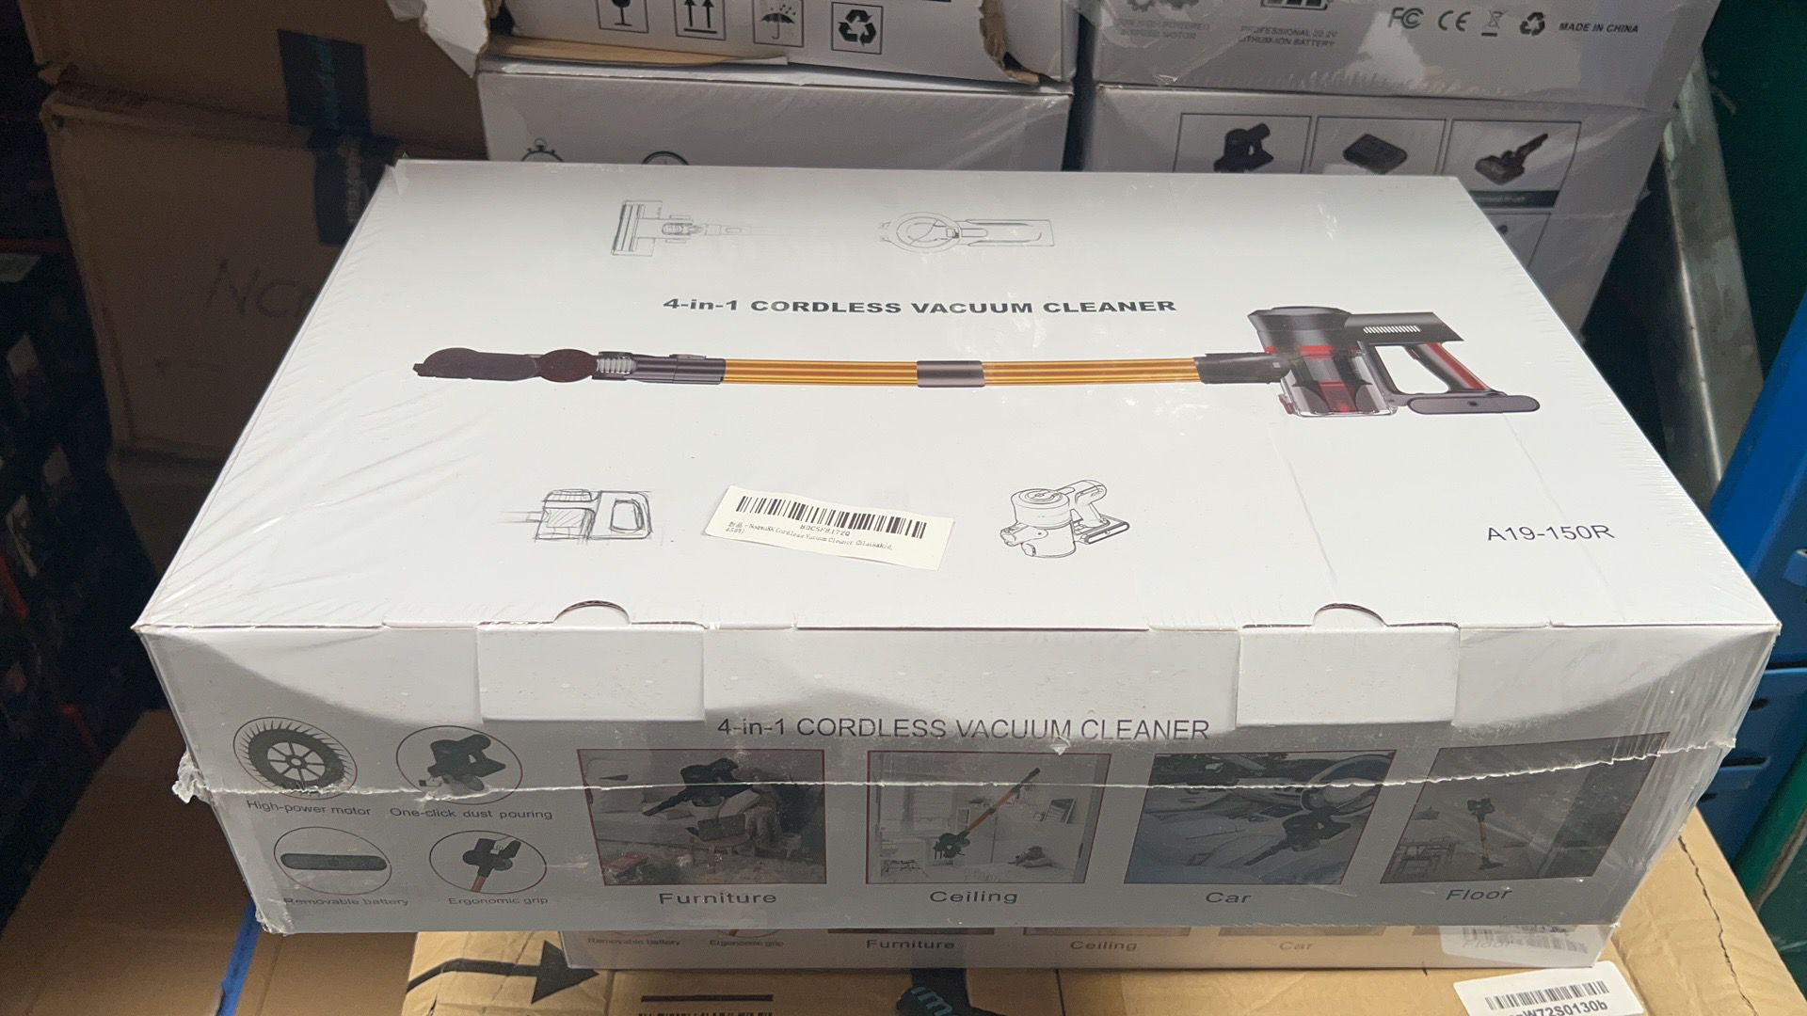
SG1474500 | BP-510 blood pressure monitor (English version) with batteries, sleeve length 48cm, five-language instruction manual | 3 | 0.371 | 28 | 23 | 22 | 0.042504
AMJT14908 | 12V10A battery charger--UK standard | 8 | 0.66 | 27 | 17 | 11 | 0.040392
WY1261900 | Magnetic Effect Battle Chess | 17 | 0.349 | 20 | 15 | 7 | 0.0357
GW130103 | 3D printed dragon egg bubble dragon egg + small dinosaur (laser purple) | 9 | 0.171 | 17 | 14 | 15 | 0.03213
AMHY11900 | 5-in-1 optical drive | 2 | 0.429 | 28 | 23 | 22 | 0.028336
AMJD27000 | 304 Stainless Steel 25-Piece Cocktail Set | 1 | 1.463 | 28 | 23 | 22 | 0.014168
JD3859200 | Multifunctional smart fan 10000mAh (gray) with bag*1 with stand*1 instruction manual*1 | 4 | 2.138 | 18 | 13 | 14 | 0.013104
AMJD27200 | Z3 video light (3000mAh) 36RGB+36 2-in-1 lamp beads | 3 | 0.22 | 18 | 13 | 14 | 0.009828
AMJT15200 | Black 22-piece car brake pad removal and replacement tool | 1 | 2.805 | 36 | 26 | 10 | 0.00936
JD3860304 | Fully automatic magnetic suspension intelligent hot and cold double milk frother AQ-04A (all-in-one) black UK standard | 1 | 0.825 | 17 | 19 | 24 | 0.007752
AMDP14900 | AC10S Capacitive Pen | 6 | 0.075 | 23 | 11 | 5 | 0.00759
AMHY11402 | Black UK Standard-8888 Wheeled Lawn Mower 6000mAh Dual Battery | 2 | 3.146 | 18 | 13 | 14 | 0.006552
JK2014101 | Blood pressure monitor household arm blood pressure monitor with voice without backlight without USB cable | 1 | 0.272 | 19 | 14 | 15 | 0.00399
AMSG21103 | Office desk with power strip cloth drawer - British standard power strip | 2 | 18.37 | 18 | 10 | 10 | 0.0036
AMSG24600 | Blood Pressure Monitor Armband 22-52cm 5 Ports | 1 | 0.129 | 17 | 16 | 10 | 0.00272
SG1481301 | Whistle type roller sharpening stone set wood grain (one side 15° and the other side 20°) Material: Beech | 1 | 0.505 | 20 | 7 | 13 | 0.00182
JK2111701 | Metal Dragon and Phoenix | 47 | 0.162 | 22 | 7 | 4 | 0.028952
JK2144200 | CY9 Water Flosser White (with 4 nozzles) English version | 1 | 0.37 | 28 | 20 | 18 | 0.01008
AMSG24200 | M19 Desktop Vacuum Cleaner Mini Handheld Cordless Portable Cleaner | 112 | 0.206 | 13 | 10 | 9 | 0.13104
AMJT15100 | 22 cylinder automobile air pump | 13 | 0.946 | 24 | 17 | 8 | 0.042432
AMJK5501 | U-Kiss Blood Oximeter M70C | 887 | 0.075 | 13 | 8 | 5 | 0.46124
AMSG23800 | GM320S infrared thermometer red with battery and packaging -50°C-600°C | 1 | 0.165 | 28 | 20 | 18 | 0.01008
SG1465400 | Susan Turntable 8-track 8-disc set | 15 | 3.692 | 42 | 32 | 22 | 0.44352
AMJD26100 | 6.5 inch wooden display stand | 2 | 0.55 | 31 | 16 | 3 | 0.002976
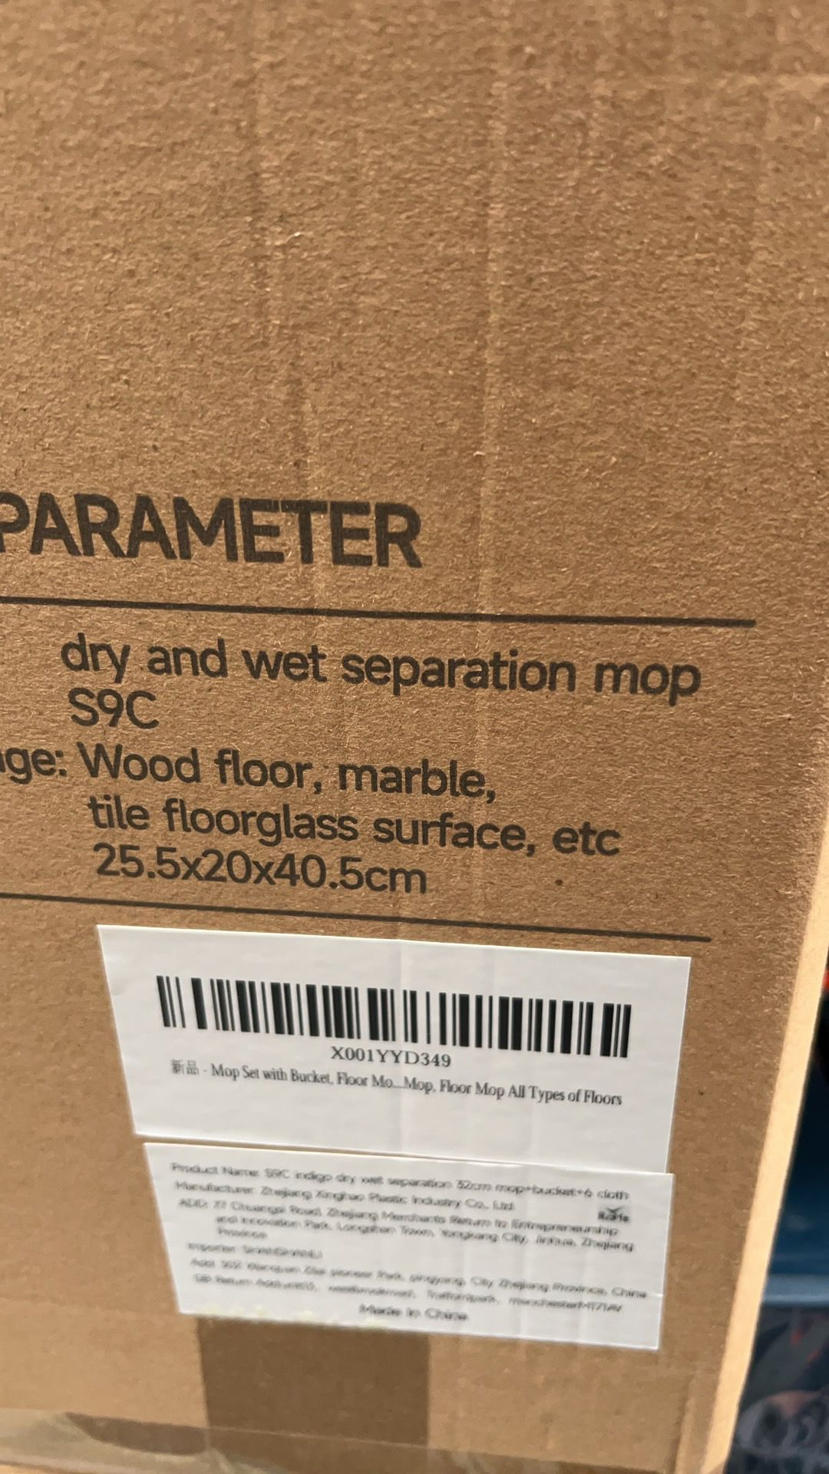
ST943401 | 8-in-1 docking station SS-H0806 [TYPE C to HDMI 4K30Hz*1+USB3.0*4+SD/TF (dual cards can be read simultaneously), 2.0 (Double drive)+PD 100W, 0.15M braided cable] (day | 22 | 0.093 | 20 | 8 | 3 | 0.01056
XJ242000 | 1 children's camera host 1080P (including cat silicone cover), 32G memory card + card reader | 1 | 0.236 | 28 | 20 | 18 | 0.01008
AMDP14900 | AC10S Capacitive Pen | 236 | 0.075 | 22 | 6 | 2 | 0.062304
AMSG22700 | Ice Stone Double Cup Wooden Box | 2 | 1.43 | 28 | 20 | 18 | 0.02016
JD3847000 | Smart Spotlight GU10-5W-Wide Voltage-2pcs | 53 | 0.098 | 53 | 55 | 20 | 3.0899
JD3846902 | Smart Candle Light E14-5W-Wide Voltage-2 Pack | 3 | 0.08 | 18 | 10 | 5 | 0.0027
JD3846802 | Smart Bulb A60-9W-Wide Pressure-2pcs | 3 | 0.139 | 28 | 20 | 18 | 0.03024
JD3846901 | Smart Candle Light E14-5W-Wide Voltage-1pc | 30 | 0.04 | 16 | 5 | 5 | 0.012
JT1637802 | PL8 carplay black gray box single carplay | 3 | 0.139 | 18 | 10 | 10 | 0.0054
WY1277604 | 2115A (29) 29 in 1 Solar Robot with Battery Storage (self-assembled toys, all parts can only be assembled in one style at a time, can be assembled in 29 different styles) | 21 | 0.528 | 33 | 18 | 7 | 0.087318
JK2144501 | Red light therapy kneading scalp smart head massager white | 59 | 0.308 | 16 | 13 | 11 | 0.134992
AMJJ51700 | 9.5 inch LED makeup mirror white | 1 | 0.346 | 28 | 20 | 18 | 0.01008
AMWY12603 | Solid wood magnetic chess set 29*29cm | 140 | 0.605 | 33 | 16 | 4 | 0.29568
AMJT14907 | 12V6A battery charger--UK standard | 3 | 0.55 | 26 | 15 | 8 | 0.00936
AMWY12602 | Solid wood chess set 29*29cm | 182 | 0.528 | 33 | 16 | 4 | 0.384384
AMWY12601 | ABS magnetic chess black and white 3810B/25.5*13*4.5cm | 261 | 0.495 | 28 | 12 | 4 | 0.350784
SG1472600 | BK-803 blood pressure monitor + English broadcast + data cable (with battery, cuff length 48cm, five-language instruction manual) | 4 | 0.341 | 19 | 8 | 11 | 0.006688
JK2144502 | Red light therapy kneading scalp smart head massager pink | 1 | 0.308 | 16 | 13 | 11 | 0.002288
JK2144300 | EMS Color Light Neck Beauty Device Seven Color Light ES-1081 White | 1 | 0.306 | 21 | 16 | 6 | 0.002016
AMGD10701 | LED remote control electronic simulation candle bullet head (3 pieces in white) + 3 pairs of batteries | 1 | 0.465 | 24 | 16 | 9 | 0.003456
JK2144101 | RF radio frequency beauty introduction instrument firming and rejuvenation instrument white gold with base | 5 | 0.308 | 19 | 13 | 7 | 0.008645
AMJT14500 | Air pump 2000 mAh | 27 | 0.672 | 27 | 15 | 6 | 0.06561
YB1275100 | Home handheld forehead thermometer shipped with battery | 54 | 0.1 | 8 | 5 | 17 | 0.03672
JK2142100 | Fully automatic USB charging smart wireless curling iron upgraded gray [LCD screen spray paint 3000 mAh] | 12 | 0.715 | 27 | 11 | 9 | 0.032076
JK2140304 | (1 piece) Smart Breathing Cupping Massager (Triangle Charging Pressure Relief Model) 1609 Rose Gold | 105 | 0.422 | 18 | 10 | 10 | 0.189
WY1262200 | Magnetic effect chess sponge | 34 | 0.404 | 29 | 19 | 5 | 0.09367
WY1261900 | Magnetic Effect Battle Chess | 37 | 0.349 | 19 | 11 | 3 | 0.023199
JK2118201 | Fully automatic disinfection and sterilization portable ultrasonic denture cleaning machine | 2 | 0.277 | 13 | 10 | 8 | 0.00208
JD3828001 | Sink drain pipe (stainless steel + copper core) British standard (applicable to British and German 32-42mm diameter) | 101 | 0.11 | 11 | 7 | 6 | 0.046662
JD3858801 | Small foldable disinfection dryer white + display + remote control British standard | 85 | 1.237 | 34 | 23 | 14 | 0.93058
JT1638200 | Portable wireless Carplay car MP5 player host 1, bracket 1, adapter 2, power cord 1 | 35 | 0.666 | 26 | 17 | 12 | 0.18564
JK2112101 | Neck Beauty Instrument-3201 with Roller White | 164 | 0.142 | 18 | 11 | 5 | 0.16236
JK2112102 | Neck Beauty Instrument-3201 Without Roller White | 38 | 0.136 | 18 | 11 | 5 | 0.03762
AMXJ10801 | D8S Children's instant printing camera 2.4 inch display + 32g TF card blue panda | 1 | 0.495 | 28 | 20 | 18 | 0.01008
AMXJ10802 | D8S Children's instant printing camera 2.4 inch display + 32g TF card pink mermaid | 2 | 0.495 | 19 | 13 | 6 | 0.002964
AMXJ10902 | Y600 Children's instant printing camera 2-inch display + 32g TF card pink | 1 | 0.327 | 17 | 13 | 5 | 0.001105
AMXJ10901 | Y600 Children's instant printing camera 2-inch display + 32g TF card blue | 1 | 0.359 | 17 | 13 | 5 | 0.001105
SG1462200 | Rolling wheel knife sharpener stone tungsten steel adjustable angle cylindrical + quadrilateral set - wood color (one side 15° and one side 20°) | 788 | 0.527 | 25 | 13 | 7 | 1.7927
JD3851002 | Filter-free fully automatic juicer silver British standard 220V | 4 | 2.4 | 40 | 29 | 20 | 0.0928
JK2131400 | WG-Neck and Shoulder Massager Flagship Model Beige | 5 | 1.43 | 19 | 17 | 25 | 0.040375
AMJD21000 | Rectangle 250*250*90CM Black 420d Oxford cloth coated with silver 5000 waterproof | 52 | 2.2 | 31 | 26 | 15 | 0.62868
SG1459801 | Endoscope C43-M (single lens) 1m hard wire | 1 | 0.242 | 23 | 14 | 8 | 0.002576
JK2118300 | Eye protection instrument white 216 vibration eye massager English broadcast + hot compress + vibration + music | 80 | 0.455 | 24 | 21 | 10 | 0.4032
AMYE11702 | 2 in 1 Rechargeable Metal Laser Sword 7 Color Light with Sound Effects 1st Generation: Single Silver | 62 | 0.385 | 62 | 6 | 4 | 0.092256
SG1461200 | Portable arm blood pressure monitor (battery type) cuff length 42cm | 1578 | 0.431 | 20 | 12 | 9 | 3.40848
JT1618000 | Car anti-theft lock yellow | 5 | 1.83 | 43 | 14 | 9 | 0.02709
JD3806200 | Black UK standard 6 inch lithium chainsaw DC lithium battery 21v 6000mAH tool box | 65 | 15 | 41 | 20 | 12 | 0.6396
JD3806400 | Black British Standard 8-inch Lithium Electric Saw DC Lithium Battery 21v 6000mAH Tool Box | 7 | 15 | 39 | 24 | 13 | 0.085176
SG1461200 | Portable arm blood pressure monitor (battery type) cuff length 42cm | 105 | 0.431 | 20 | 12 | 9 | 0.2268
JD3806000 | Black UK 4-inch lithium chainsaw DC lithium battery 21v 6000mAH tool box | 45 | 15 | 39 | 24 | 13 | 0.54756
GW129306 | 3D Gem Dragon Egg Rainbow Color Dragon Egg + Dragon | 226 | 0.183 | 18 | 10 | 10 | 0.4068
GW129303 | 3D Gem Dragon Egg Laser Blue Green Dragon Egg + Dragon | 813 | 0.148 | 13 | 10 | 14 | 1.47966
GW129302 | 3D Gem Dragon Egg Laser Yellow Green Dragon Egg + Dragon | 25 | 0.182 | 17 | 11 | 10 | 0.04675
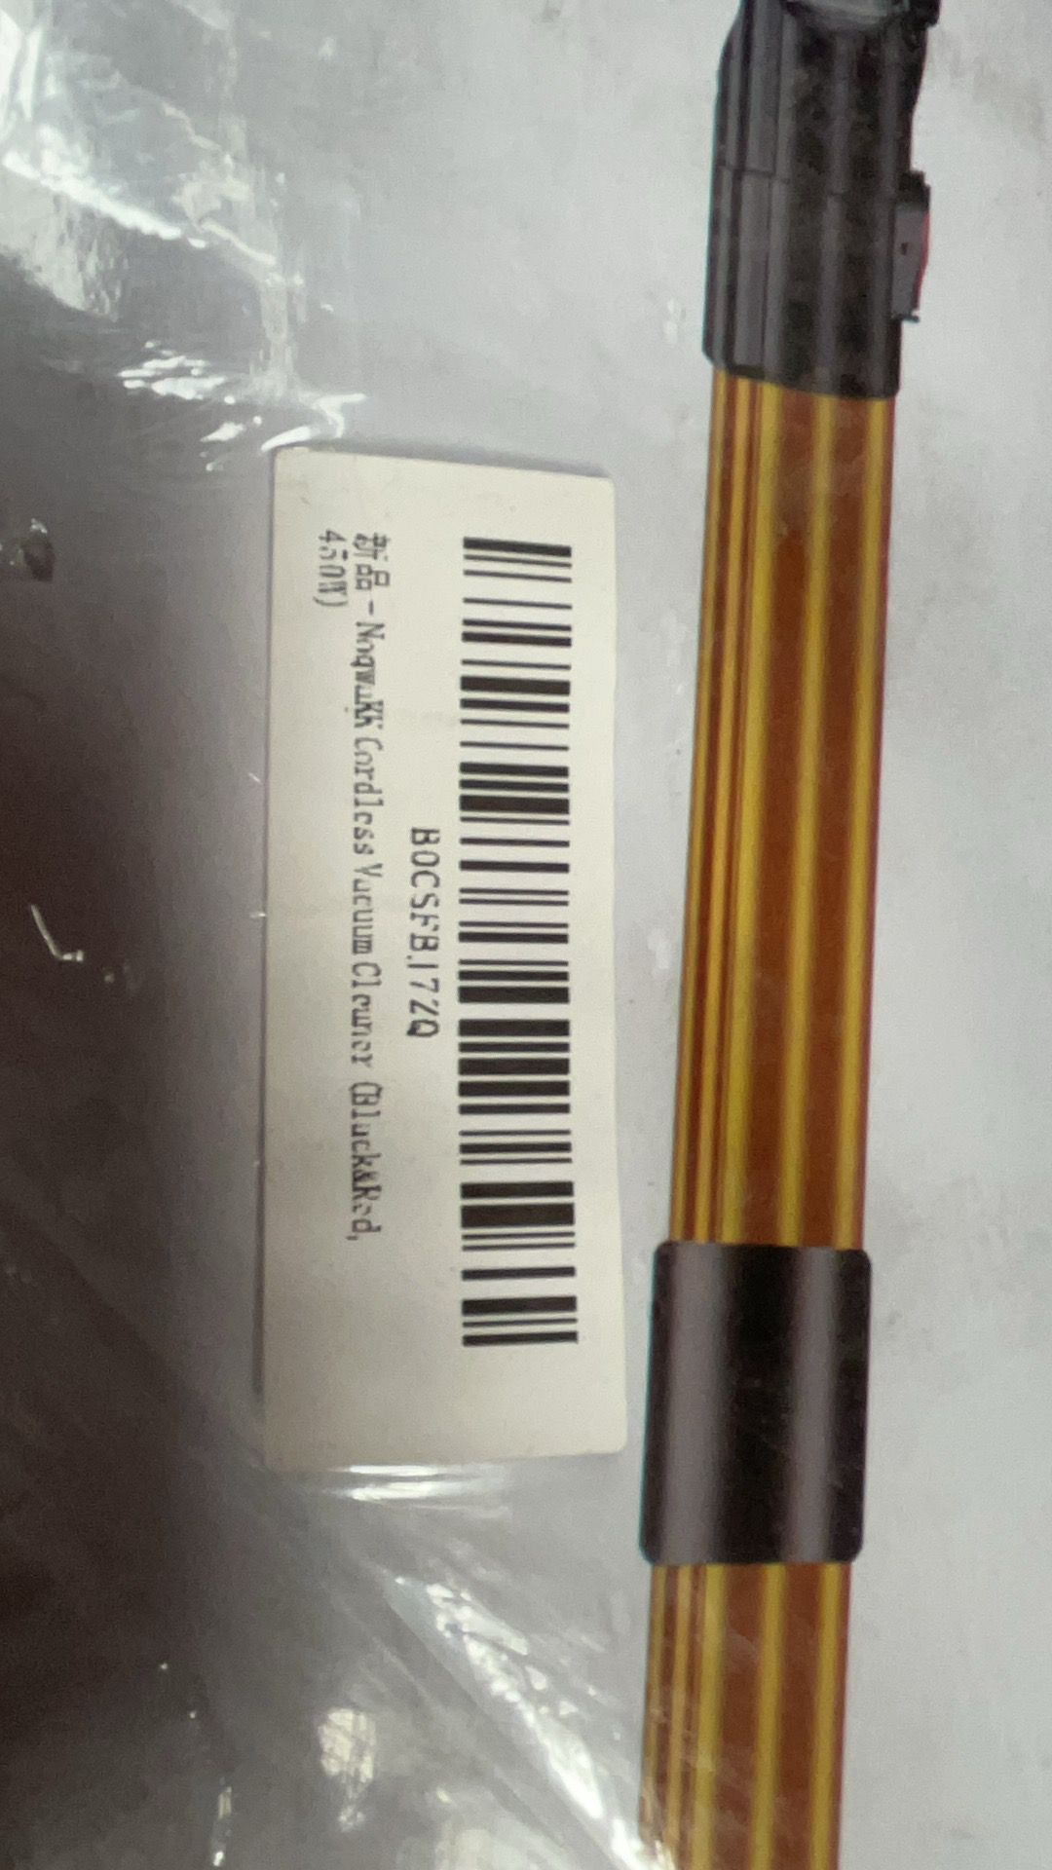
GW129305 | 3D Gem Dragon Egg Golden Dragon Egg + Dragon | 593 | 0.166 | 18 | 10 | 10 | 1.0674
AMST11100 | White simple heating charging waist belt | 419 | 0.318 | 24 | 11 | 6 | 0.663696
AMJK5501 | U-Kiss Blood Oximeter M70C | 364 | 0.075 | 13 | 5 | 8 | 0.18928
AMST11200 | Pink simple heating and charging waist belt | 63 | 0.315 | 24 | 11 | 6 | 0.099792
WY1268201 | Small stone decompression educational toy rice grain magnetic chess black 500 pieces a box square iron box | 43 | 0.38 | 18 | 10 | 4 | 0.03096
AMSG19800 | Metal Detector Children's Model MD-3002 | 2 | 0.759 | 46 | 18 | 10 | 0.01656
AMJD19600 | Cordless Electric Cleaning Brush UK Standard Black | 210 | 1.137 | 48 | 17 | 7 | 1.19952
AMJD20300 | Cordless Electric Cleaning Brush UK Rose Gold | 85 | 1.143 | 38 | 17 | 10 | 0.5491
SG1443900 | Indigo Hands-free Flat Mop + Folding Bucket + 2 Mops | 347 | 1.76 | 35 | 23 | 12 | 3.35202
SG1445800 | British standard black and red cordless vacuum cleaner standard digital display bending model 21000pa 160w | 1 | 3.08 | 18 | 10 | 10 | 0.0018
SG1450800 | Rolling wheel knife sharpener stone tungsten steel adjustable angle cylindrical set (one side 15° and one side 20°) Black Material: Beech | 1 | 0.481 | 18 | 13 | 6 | 0.001404
WY1262200 | Magnetic effect chess sponge | 9 | 0.404 | 29 | 17 | 6 | 0.026622
WY1261900 | Magnetic Effect Battle Chess | 6 | 0.349 | 28 | 20 | 18 | 0.06048
SG1449400 | Rolling wheel knife sharpener stone tungsten steel adjustable angle cylindrical set - wood grain (one side 15° and one side 20°) Material: beech | 1 | 0.482 | 28 | 20 | 18 | 0.01008
WY1261900 | Magnetic Effect Battle Chess | 8 | 0.349 | 19 | 12 | 3 | 0.005472
WY1262200 | Magnetic effect chess sponge | 315 | 0.404 | 29 | 16 | 6 | 0.87696
AMJK14000 | Blood glucose meter set (1 host + 100 test strips + 100 blood collection needles) G-427B smart blood glucose meter set white | 104 | 0.196 | 18 | 10 | 6 | 0.11232
AMJK5601 | U-Kiss Oximeter M70 | 1 | 0.08 | 28 | 20 | 18 | 0.01008
AMJJ36604 | Gold plated rose blue with base | 8 | 0.495 | 18 | 10 | 10 | 0.0144
RC704900 | OCDAY 1176A 1/20 Flowering Dump Truck | 5 | 0.561 | 29.5 | 16 | 9.5 | 0.02242
AMJK6600 | Yimi Blood Oximeter White with Battery YM101-zlk | 6 | 0.07 | 12 | 6 | 4 | 0.001728
AMJK8300 | AOJ-OLED Screen Fingertip Oximeter Black U-KISS | 2 | 0.099 | 12 | 6 | 4 | 0.000576
AMJK6600 | Yimi Blood Oximeter White with Battery YM101-zlk | 15 | 0.07 | 11 | 6 | 4 | 0.00396
AMJK5501 | U-Kiss Blood Oximeter M70C | 51 | 0.075 | 13 | 5 | 8 | 0.02652
RC704900 | OCDAY 1176A 1/20 Flowering Dump Truck | 252 | 0.561 | 29.5 | 16 | 9.5 | 1.129968
RC704900 | OCDAY 1176A 1/20 Flowering Dump Truck | 10 | 0.561 | 29.5 | 16 | 9.5 | 0.04484
WY1268202 | Small stone decompression educational toy rice grain magnetic chess color 500 pieces a box square iron box | 46 | 0.38 | 18 | 10 | 10 | 0.0828
WY1268201 | Small stone decompression educational toy rice grain magnetic chess black 500 pieces a box square iron box | 288 | 0.38 | 18 | 10 | 10 | 0.5184
WY1262200 | Magnetic effect chess sponge | 173 | 0.404 | 30 | 24 | 5 | 0.6228
WY1247700 | Solar charging panel 200W outdoor monocrystalline silicon 80% off bracket charging panel (XT60 interface) | 3 | 5.115 | 28 | 10 | 15 | 0.0126
SG1481302 | Whistle type roller sharpening stone set black (one side 15° and the other side 20°) Material: beech | 30 | 0.494 | 20 | 16 | 6.5 | 0.0624
SG1426900 | Outdoor energy storage power supply 600W orange British standard | 4 | 6.842 | 18 | 25 | 20 | 0.036
JK2118300 | Eye protection instrument white 216 vibration eye massager English broadcast + hot compress + vibration + music | 693 | 0.455 | 24 | 21 | 10 | 3.49272
JD3860402 | Fully automatic magnetic suspension intelligent hot and cold double milk frother with handle AQ-03A (all-in-one) white UK standard | 16 | 0.825 | 18 | 10 | 10 | 0.0288
JD3851002 | Filter-free fully automatic juicer silver British standard 220V | 4 | 2.4 | 40 | 29 | 20 | 0.0928
JD3830900 | Antique Color Heavy Duty Freestanding Wardrobe with Storage Rack | 4 | 37.62 | 101 | 46 | 30.5 | 0.566812
HY419200 | Solar charging panel 100W dual USB monocrystalline silicon 4 fold bracket charging panel | 14 | 3.691 | 58 | 47 | 6 | 0.228984
GW129305 | 3D Gem Dragon Egg Golden Dragon Egg + Dragon | 29 | 0.166 | 18 | 10 | 10 | 0.0522
GW129301 | 3D Gem Dragon Egg Laser Purple Dragon Egg + Dragon | 60 | 0.176 | 12 | 8 | 15 | 0.0864
JD3851002 | Filter-free fully automatic juicer silver British standard 220V | 1 | 2.4 | 32 | 35 | 20 | 0.0224
JK2031800 | Blood pressure monitor full screen touch blood pressure monitor lithium battery rechargeable English voice 3 color backlight (wristband type BK-606) | 416 | 0.195 | 13 | 9 | 9 | 0.438048
JT1605700 | Car Air Pump Air Compressor 150PSI 12V Neutral Full English Digital Display | 5 | 0.805 | 25 | 16 | 8 | 0.016
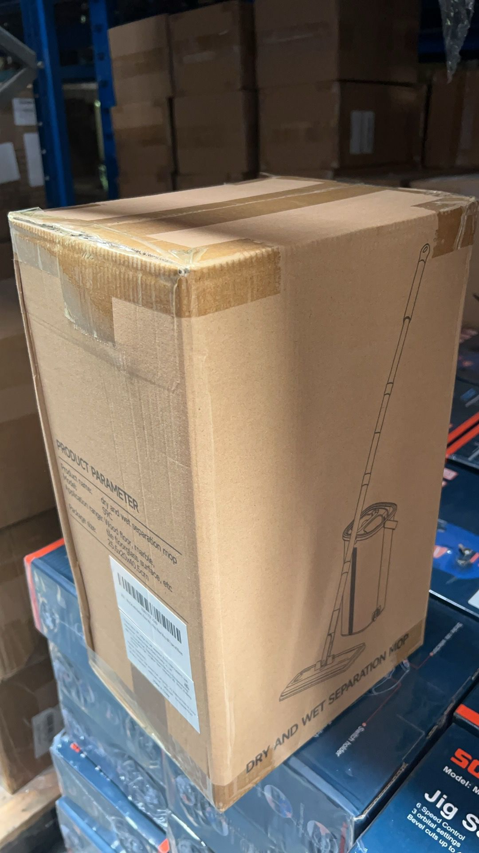
AMSG23800 | GM320S infrared thermometer red with battery and packaging -50°C-600°C | 1 | 0.165 | 23 | 10 | 5 | 0.00115
SG1472600 | BK-803 blood pressure monitor + English broadcast + data cable (with battery, cuff length 48cm, five-language instruction manual) | 72 | 0.341 | 19 | 8 | 11 | 0.120384
JD3858300 | Leather hole punch 6 holes with rotatable red handle 1 piece | 400 | 0.27 | 32 | 12 | 3 | 0.4608
JT1638401 | 2 in 1 Carplay box (Apple, Android auto) black | 237 | 0.042 | 18 | 8 | 2 | 0.068256
AMCP10603 | Indoor dog repeller | 160 | 0.198 | 17 | 9 | 6 | 0.14688
AMGY11600 | Fashion irregular bow earrings gold and silver earrings two sets | 400 | 0.017 | 14 | 8 | 2 | 0.0896
AMSG21800 | 600ml household ultrasonic cleaner British standard 220V | 2 | 0.946 | 25 | 15 | 13 | 0.00975
AMSG16300 | Digital display cordless vacuum cleaner telescopic tube 30000pa British standard golden | 9 | 2.959 | 18 | 10 | 10 | 0.0162
AMSG15600 | Digital display cordless vacuum cleaner telescopic tube 25000pa British standard silver | 4 | 2.937 | 47 | 28 | 14 | 0.073696
AMJK5601 | U-Kiss Oximeter M70 | 42 | 0.08 | 12 | 6 | 4 | 0.012096
AMJD19001 | Table lamp plug-in model touch three-speed dimming TYPE-C interface | 9 | 0.396 | 28 | 20 | 18 | 0.09072
WY3456202 | Wireless Office Mouse Yellow | 19 |  | 19 | 7 | 5 | 0.012635
WY1890601 | 4K Camera | 1 |  | 15 | 15 | 8 | 0.0018
WY1452200 | Three-in-one cutting tool | 189 |  | 15 | 9 | 8 | 0.20412
WY1286900 | Multifunctional smart mowing | 34 |  | 23 | 21 | 10 | 0.16422
SG1458702 | 4K Camera Blue | 1 |  | 28 | 13 | 10 | 0.00364
SG0956900 | 4K Camera Yellow | 1 |  | 20 | 13 | 7 | 0.00182
JK2376500 | 4K Camera Green | 1 |  | 28 | 22 | 23 | 0.014168
JD3621402 | Home purifier | 110 |  | 20 | 18 | 12 | 0.4752
JD3986002 | Home Yoga Mat | 2 |  | 10 | 10 | 10 | 0.002
JD3208900 | mouse pad | 1 |  | 8 | 6 | 6 | 0.000288
JK2267802 | PC quality inspection instrument (manual) | 2 |  | 50 | 37 | 10 | 0.037
AMX245501 | Pet Hair Remover | 21 |  | 15 | 10 | 10 | 0.0315
AMXJ10802 | Bluetooth headset blue | 6 |  | 16 | 13 | 7 | 0.008736
AMXJ16902 | PD Switcher | 3 |  | 12 | 12 | 4 | 0.001728
AMXJ13301 | PD Switcher | 5 |  | 12 | 12 | 4 | 0.00288
SG1489200 | Bluetooth headset black | 1 |  | 25 | 20 | 18 | 0.009
 |  | 16065
